Hoja1
 |  | Estabilización. Matriz de estado Estable

 |  | 200 |  |  |  | P1 | 90 |  | Xo | 90/200 | 0.45
 |  |  |  |  |  | P2 | 110 |  |  | 110/200 | 0.55

 |  |  | P1 | P2
 |  | P | 0.8 | 0.3 | P1
 |  |  | 0.2 | 0.7 | P2

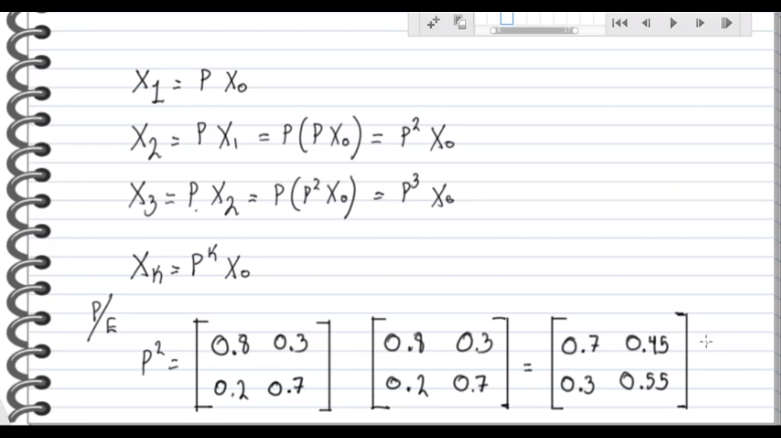
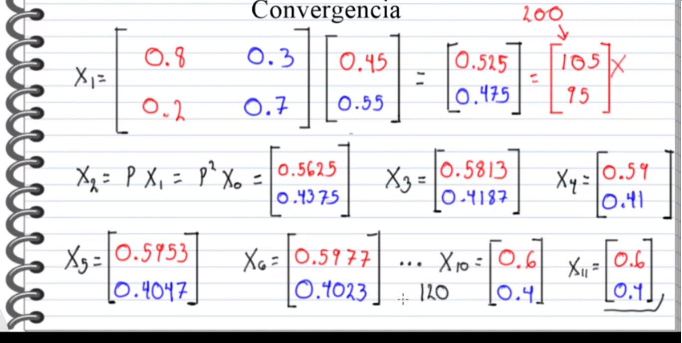

 | X=PX

 | IX = PX

 | IX - PX = 0

 | (I-P)X = 0

 | I | 1 | 0 |  | P | 0.8 | 0.3 |  | 0 | 0
 |  | 0 | 1 |  |  | 0.2 | 0.7 |  |  | 0

 | X | X1
 |  | X2

 | 1 | 0 | - | 0.8 | 0.3
 | 0 | 1 |  | 0.2 | 0.7

(I-p) | 1-0.8 | 0-0.3 | = | 0.2 | -0.3
 | 0-0.2 | 1-0.7 |  | -0.2 | 0.3

 | 0.2 | -0.3 | * | X1
 | -0.2 | 0.3 |  | X2

 | X1 | X2 | =
5*F1 | 0.2 | -0.3 |  | 0
 | -0.2 | 0.3 |  | 0

 | X1 | X2
 | 1 | -1.5 | = | 0
5*F2+F1 | -0.2 | 0.3 |  | 0

 | X1 | X2
 | 1 | -1.5 | = | 0
 | 0 | 0 |  | 0

 | 1X1 | -1.5X2 | = | 0 |  | X1 = 1.5X2 |  |  |  | X1 = 1.5(0.4) |  | X1 = 0.6

 | X1 | +X2 | = | 1 |  | 1.5X2 + X2 = 1 |  | X2 = 1/2.5 |  | X2 = 0.4 |  | X2 = 0.4

